Template
1 | SETTING UP THE FINANCIAL STATEMENT MODEL
2 | Sales growth | 10% |  | 20% | 10% |  | Please perform the following exercises:
3 | Current assets/Sales | 15% |  | 20% | 15% |  | 1. Extend forecast to 5 years using assumptions shown in model 1
4 | Current liabilities/Sales | 8% |  | 8% | 8% |  | 2a. Redo forecast using assumptions shown in model 2
5 | Net fixed assets/Sales | 77% | *No asset disposal | 80% | 107% |  | 2b. Redo forecast 2a using Debt (instead of cash) as the plug.
6 | Costs of goods sold/Sales | 50% |  | 50% | 50% |  | 3. Redo forecast assuming FA at cost/sales = 107% using assumptions as in model 1.
7 | Depreciation rate | 10% | *Avg value of GFA over the yr | 10% | 10% |  | 4. Redo forecast assuming NFA = constant; other assumptions as in model 1
8 | Interest rate on debt | 10.00% | *Avg debt over the year | 10.00% | 10.00%
9 | Interest paid on cash and marketable securities | 8.00% | *Avg cash+MS balance over the yr | 8.00% | 8.00%
10 | Tax rate | 40% |  | 40% | 40%
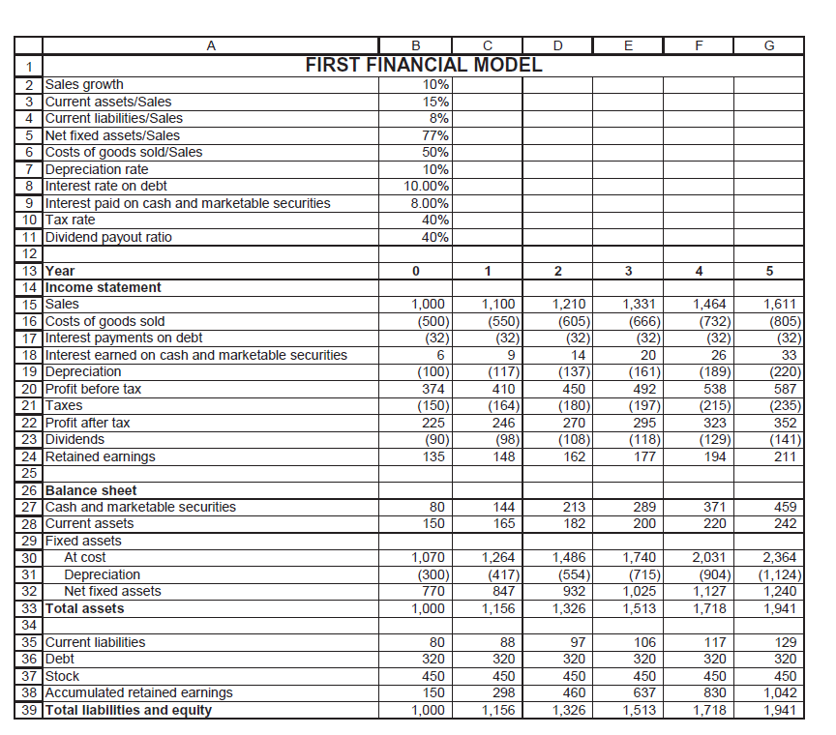
11 | Dividend payout ratio | 40% |  | 50% | 40%
12 |  | MODEL 1 |  | MODEL 2 | MODEL 3
13 | Year | 0 | 1 | 2 | 3 | 4 | 5
14 | Income statement
15 | Sales | 1,000 | 1,100 | 1,210 | 1,331 | 1,464 | 1,611
16 | Costs of goods sold | -500 | -550 | -605 | -666 | -732 | -805
17 | Interest payments on debt | -32 | -32 | -32 | -32 | -32 | -32
18 | Interest earned on cash & marketable securities | 6 | 9 | 14 | 20 | 26 | 33
19 | Depreciation | -100 | -117 | -137 | -161 | -189 | -220
20 | Profit before tax | 374 | 410 | 450 | 492 | 538 | 587
21 | Taxes | -150 | -164 | -180 | -197 | -215 | -235
22 | Profit after tax | 225 | 246 | 270 | 295 | 323 | 352
23 | Dividends | -90 | -98 | -108 | -118 | -129 | -141
24 | Retained earnings | 135 | 148 | 162 | 177 | 194 | 211
25
26 | Balance sheet |  | 1 | 2 | 3 | 4 | 5
27 | Cash and marketable securities | 80 | 144 | 213 | 289 | 371 | 459
28 | Current assets | 150 | 165 | 182 | 200 | 220 | 242
29 | Fixed assets
30 | Fixed assets at cost | 1,070 | 1,264 | 1,486 | 1,740 | 2,031 | 2,364
31 | Accumulated depreciation | -300 | -417 | -554 | -715 | -904 | -1,124
32 | Net fixed assets | 770 | 847 | 932 | 1,025 | 1,127 | 1,240
33 | Total assets | 1,000 | 1,156 | 1,326 | 1,513 | 1,718 | 1,941
34
35 | Current liabilities | 80 | 88 | 97 | 106 | 117 | 129
36 | Debt | 320 | 320 | 320 | 320 | 320 | 320
37 | Stock | 450 | 450 | 450 | 450 | 450 | 450
38 | Accumulated retained earnings | 150 | 298 | 460 | 637 | 830 | 1,042
39 | Total liabilities and equity | 1,000 | 1,156 | 1,326 | 1,513 | 1,718 | 1,941
40
41 | Year | 0 | 1 | 2 | 3 | 4 | 5
42 | Free Cash Flow
43 | PAT |  | 246 | 270 | 295 | 323 | 352
44 | Add back depreciation |  | 117 | 137 | 161 | 189 | 220
45 | Add back increase in current liabilities |  | 8 | 9 | 10 | 11 | 12
46 | Subtract increase in current assets |  | -15 | -17 | -18 | -20 | -22
47 | Subtract increase in CapEx |  | -194 | -222 | -254 | -291 | -333
48 | Add back after tax interest expense |  | 19 | 19 | 19 | 19 | 19
49 | Subtract after tax interest income |  | -5 | -9 | -12 | -16 | -20
50 | FCF |  | 176 | 188 | 201 | 214 | 228

Template (2)
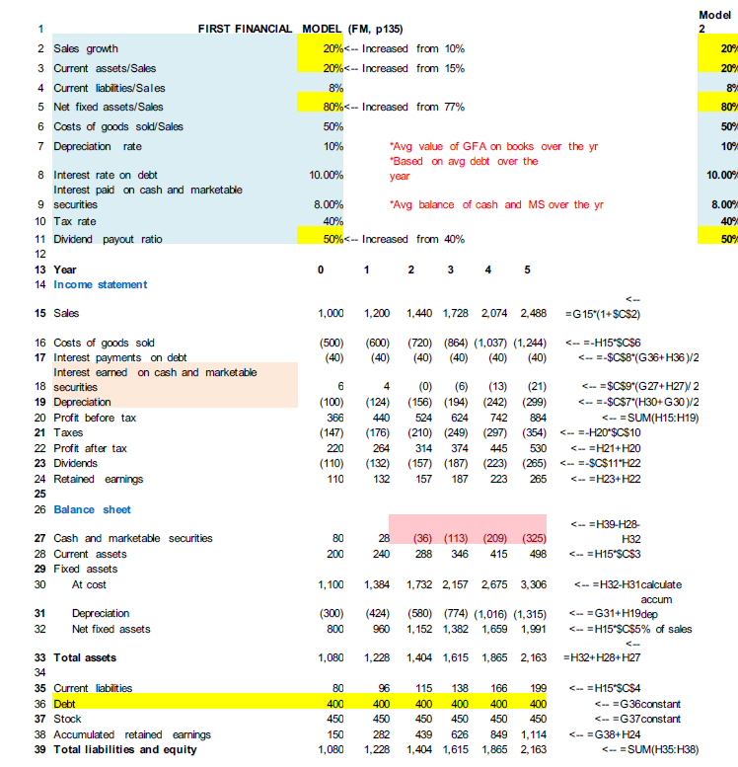
1 | SETTING UP THE FINANCIAL STATEMENT MODEL
2 | Sales growth | 20% |  | 20% | 10% |  | Please perform the following exercises:
3 | Current assets/Sales | 20% |  | 20% | 15% |  | 1. Extend forecast to 5 years using assumptions shown in model 1
4 | Current liabilities/Sales | 8% |  | 8% | 8% |  | 2a. Redo forecast using assumptions shown in model 2
5 | Net fixed assets/Sales | 80% | *No asset disposal | 80% | 107% |  | 2b. Redo forecast 2a using Debt (instead of cash) as the plug.
6 | Costs of goods sold/Sales | 50% |  | 50% | 50% |  | 3. Redo forecast assuming FA at cost/sales = 107% using assumptions as in model 1.
7 | Depreciation rate | 10% | *Avg value of GFA over the yr | 10% | 10% |  | 4. Redo forecast assuming NFA = constant; other assumptions as in model 1
8 | Interest rate on debt | 10.00% | *Avg debt over the year | 10.00% | 10.00%
9 | Interest paid on cash and marketable securities | 8.00% | *Avg cash+MS balance over the yr | 8.00% | 8.00%
10 | Tax rate | 40% |  | 40% | 40%
11 | Dividend payout ratio | 50% |  | 50% | 40%
12 |  | MODEL 2 |  | MODEL 2 | MODEL 3
13 | Year | 0 | 1 | 2 | 3 | 4 | 5
14 | Income statement
15 | Sales | 1,000 | 1,200 | 1,440 | 1,728 | 2,074 | 2,488
16 | Costs of goods sold | -500 | -600 | -720 | -864 | -1,037 | -1,244
17 | Interest payments on debt | -40 | -40 | -40 | -40 | -40 | -40
18 | Interest earned on cash & marketable securities | 6 | 4 | 0 | -6 | -13 | -21
19 | Depreciation | -100 | -124 | -156 | -194 | -242 | -299
20 | Profit before tax | 366 | 440 | 524 | 624 | 742 | 884
21 | Taxes | -147 | -176 | -210 | -249 | -297 | -354
22 | Profit after tax | 220 | 264 | 314 | 374 | 445 | 530
23 | Dividends | -110 | -132 | -157 | -187 | -223 | -265
24 | Retained earnings | 110 | 132 | 157 | 187 | 223 | 265
25
26 | Balance sheet |  | 1 | 2 | 3 | 4 | 5
27 | Cash and marketable securities | 80 | 28 | -36 | -113 | -209 | -325
28 | Current assets | 200 | 240 | 288 | 346 | 415 | 498
29 | Fixed assets
30 | Fixed assets at cost | 1,100 | 1,384 | 1,732 | 2,157 | 2,675 | 3,306
31 | Accumulated depreciation | -300 | -424 | -580 | -774 | -1,016 | -1,315
32 | Net fixed assets | 800 | 960 | 1,152 | 1,382 | 1,659 | 1,991
33 | Total assets | 1,080 | 1,228 | 1,404 | 1,615 | 1,865 | 2,163
34
35 | Current liabilities | 80 | 96 | 115 | 138 | 166 | 199
36 | Debt | 400 | 400 | 400 | 400 | 400 | 400
37 | Stock | 450 | 450 | 450 | 450 | 450 | 450
38 | Accumulated retained earnings | 150 | 282 | 439 | 626 | 849 | 1,114
39 | Total liabilities and equity | 1,080 | 1,228 | 1,404 | 1,615 | 1,865 | 2,163

Template (3)
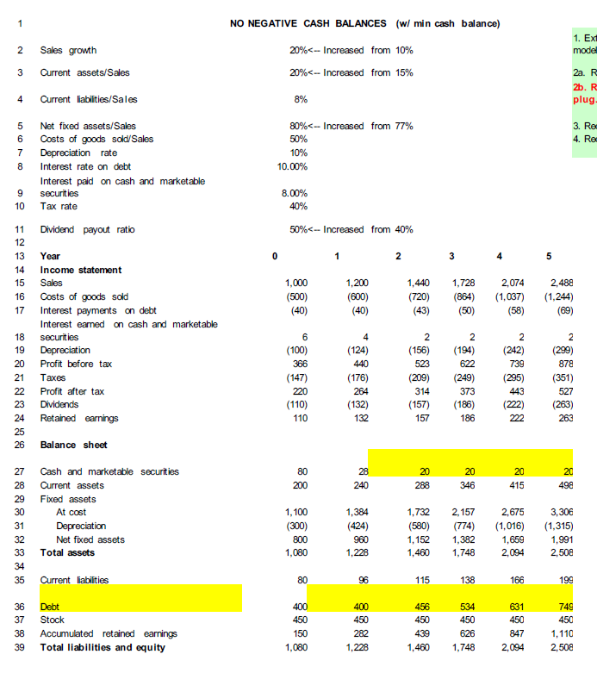
1 | SETTING UP THE FINANCIAL STATEMENT MODEL
2 | Sales growth | 20% |  | 20% | 10% |  | Please perform the following exercises:
3 | Current assets/Sales | 20% |  | 20% | 15% |  | 1. Extend forecast to 5 years using assumptions shown in model 1
4 | Current liabilities/Sales | 8% |  | 8% | 8% |  | 2a. Redo forecast using assumptions shown in model 2
5 | Net fixed assets/Sales | 80% | *No asset disposal | 80% | 107% |  | 2b. Redo forecast 2a using Debt (instead of cash) as the plug.
6 | Costs of goods sold/Sales | 50% |  | 50% | 50% |  | 3. Redo forecast assuming FA at cost/sales = 107% using assumptions as in model 1.
7 | Depreciation rate | 10% | *Avg value of GFA over the yr | 10% | 10% |  | 4. Redo forecast assuming NFA = constant; other assumptions as in model 1
8 | Interest rate on debt | 10.00% | *Avg debt over the year | 10.00% | 10.00%
9 | Interest paid on cash and marketable securities | 8.00% | *Avg cash+MS balance over the yr | 8.00% | 8.00% |  | minimum cash = 20
10 | Tax rate | 40% |  | 40% | 40%
11 | Dividend payout ratio | 50% |  | 50% | 40%
12 |  | MODEL 2 |  | MODEL 2 | MODEL 3
13 | Year | 0 | 1 | 2 | 3 | 4 | 5
14 | Income statement
15 | Sales | 1,000 | 1,200 | 1,440 | 1,728 | 2,074 | 2,488
16 | Costs of goods sold | -500 | -600 | -720 | -864 | -1,037 | -1,244
17 | Interest payments on debt | -40 | -45 | -45 | -45 | -45 | -45
18 | Interest earned on cash & marketable securities | 6 | 4 | 2 | 2 | 2 | 2
19 | Depreciation | -100 | -124 | -156 | -194 | -242 | -299
20 | Profit before tax | 366 | 435 | 521 | 626 | 752 | 902
21 | Taxes | -147 | -174 | -208 | -250 | -301 | -361
22 | Profit after tax | 220 | 261 | 313 | 376 | 451 | 541
23 | Dividends | -110 | -131 | -156 | -188 | -226 | -271
24 | Retained earnings | 110 | 131 | 156 | 188 | 226 | 271
25
26 | Balance sheet |  | 1 | 2 | 3 | 4 | 5
27 | Cash and marketable securities | 80 | 27 | 20 | 20 | 20 | 20
28 | Current assets | 200 | 240 | 288 | 346 | 415 | 498
29 | Fixed assets
30 | Fixed assets at cost | 1,100 | 1,384 | 1,732 | 2,157 | 2,675 | 3,306
31 | Accumulated depreciation | -300 | -424 | -580 | -774 | -1,016 | -1,315
32 | Net fixed assets | 800 | 960 | 1,152 | 1,382 | 1,659 | 1,991
33 | Total assets | 1,080 | 1,227 | 1,460 | 1,748 | 2,094 | 2,508
34
35 | Current liabilities | 80 | 96 | 115 | 138 | 166 | 199
36 | Debt | 400 | 400 | 458 | 535 | 627 | 739
37 | Stock | 450 | 450 | 450 | 450 | 450 | 450
38 | Accumulated retained earnings | 150 | 281 | 437 | 625 | 850 | 1,121
39 | Total liabilities and equity | 1,080 | 1,227 | 1,460 | 1,748 | 2,094 | 2,508

Template (4)
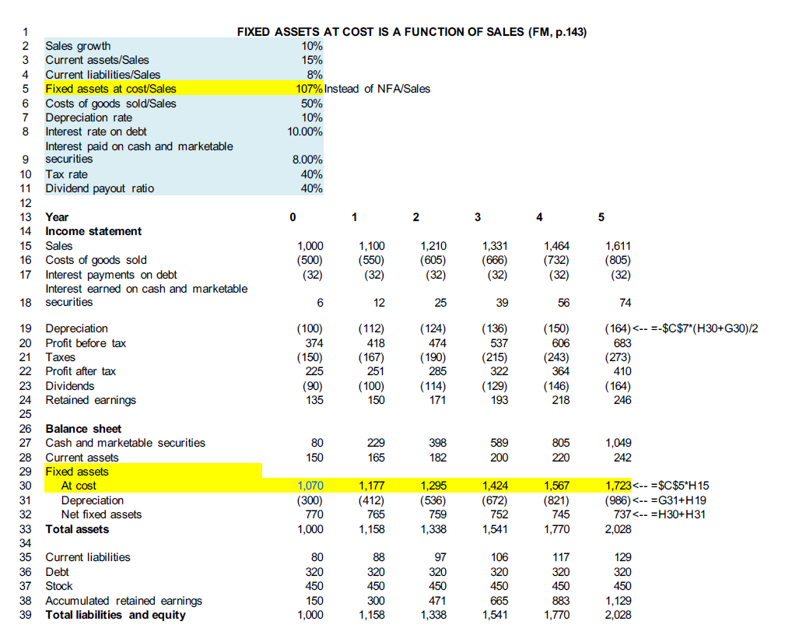
1 | SETTING UP THE FINANCIAL STATEMENT MODEL
2 | Sales growth | 10% |  | 20% | 10% |  | Please perform the following exercises:
3 | Current assets/Sales | 15% |  | 20% | 15% |  | 1. Extend forecast to 5 years using assumptions shown in model 1
4 | Current liabilities/Sales | 8% |  | 8% | 8% |  | 2a. Redo forecast using assumptions shown in model 2
5 | Fixed assets/Sales | 107% | *No asset disposal | 80% | 107% |  | 2b. Redo forecast 2a using Debt (instead of cash) as the plug.
6 | Costs of goods sold/Sales | 50% |  | 50% | 50% |  | 3. Redo forecast assuming FA at cost/sales = 107% using assumptions as in model 1.
7 | Depreciation rate | 10% | *Avg value of GFA over the yr | 10% | 10% |  | 4. Redo forecast assuming NFA = constant; other assumptions as in model 1
8 | Interest rate on debt | 10.00% | *Avg debt over the year | 10.00% | 10.00%
9 | Interest paid on cash and marketable securities | 8.00% | *Avg cash+MS balance over the yr | 8.00% | 8.00%
10 | Tax rate | 40% |  | 40% | 40%
11 | Dividend payout ratio | 40% |  | 50% | 40%
12 |  | MODEL 1 |  | MODEL 2 | MODEL 3
13 | Year | 0 | 1 | 2 | 3 | 4 | 5
14 | Income statement
15 | Sales | 1,000 | 1,100 | 1,210 | 1,331 | 1,464 | 1,611
16 | Costs of goods sold | -500 | -550 | -605 | -666 | -732 | -805
17 | Interest payments on debt | -32 | -45 | -45 | -45 | -45 | -45
18 | Interest earned on cash & marketable securities | 6 | 12 | 24 | 39 | 54 | 72
19 | Depreciation | -100 | -112 | -124 | -136 | -150 | -164
20 | Profit before tax | 374 | 405 | 461 | 523 | 592 | 668
21 | Taxes | -150 | -162 | -184 | -209 | -237 | -267
22 | Profit after tax | 225 | 243 | 277 | 314 | 355 | 401
23 | Dividends | -90 | -97 | -111 | -126 | -142 | -160
24 | Retained earnings | 135 | 146 | 166 | 188 | 213 | 241
25
26 | Balance sheet |  | 1 | 2 | 3 | 4 | 5
27 | Cash and marketable securities | 80 | 224 | 388 | 575 | 785 | 1,023
28 | Current assets | 150 | 165 | 182 | 200 | 220 | 242
29 | Fixed assets
30 | Fixed assets at cost | 1,070 | 1,177 | 1,295 | 1,424 | 1,567 | 1,723
31 | Accumulated depreciation | -300 | -412 | -536 | -672 | -821 | -986
32 | Net fixed assets | 770 | 765 | 759 | 752 | 745 | 737
33 | Total assets | 1,000 | 1,154 | 1,328 | 1,526 | 1,750 | 2,002
34
35 | Current liabilities | 80 | 88 | 97 | 106 | 117 | 129
36 | Debt | 320 | 320 | 320 | 320 | 320 | 320
37 | Stock | 450 | 450 | 450 | 450 | 450 | 450
38 | Accumulated retained earnings | 150 | 296 | 462 | 650 | 863 | 1,104
39 | Total liabilities and equity | 1,000 | 1,154 | 1,328 | 1,526 | 1,750 | 2,002

Template (5)
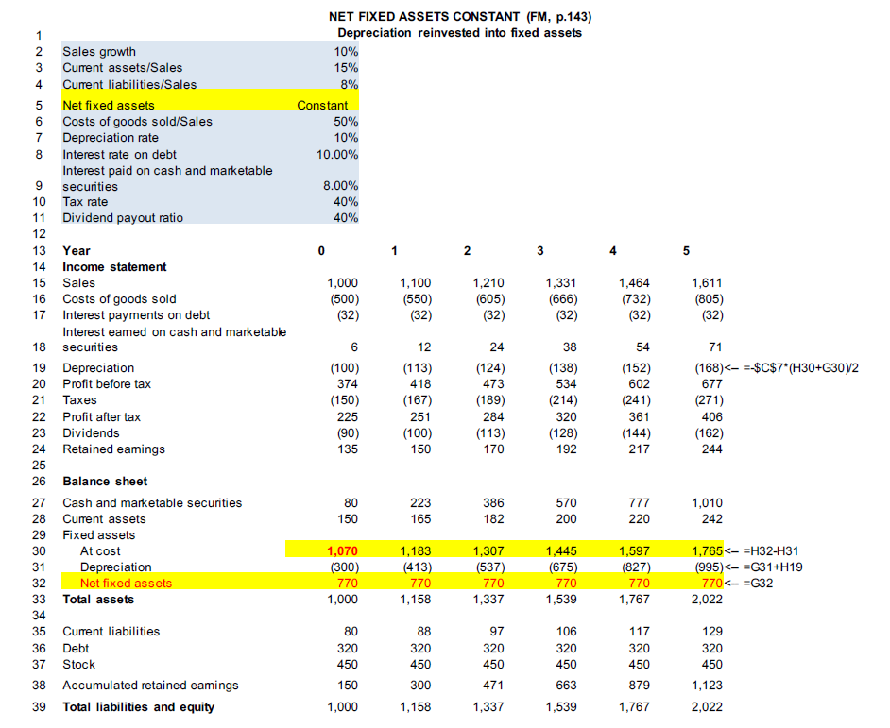
1 | SETTING UP THE FINANCIAL STATEMENT MODEL
2 | Sales growth | 10% |  | 20% | 10% |  | Please perform the following exercises:
3 | Current assets/Sales | 15% |  | 20% | 15% |  | 1. Extend forecast to 5 years using assumptions shown in model 1
4 | Current liabilities/Sales | 8% |  | 8% | 8% |  | 2a. Redo forecast using assumptions shown in model 2
5 | Net fixed assets | 770 | *No asset disposal | 80% | 107% |  | 2b. Redo forecast 2a using Debt (instead of cash) as the plug.
6 | Costs of goods sold/Sales | 50% |  | 50% | 50% |  | 3. Redo forecast assuming FA at cost/sales = 107% using assumptions as in model 1.
7 | Depreciation rate | 10% | *Avg value of GFA over the yr | 10% | 10% |  | 4. Redo forecast assuming NFA = constant; other assumptions as in model 1
8 | Interest rate on debt | 10.00% | *Avg debt over the year | 10.00% | 10.00%
9 | Interest paid on cash and marketable securities | 8.00% | *Avg cash+MS balance over the yr | 8.00% | 8.00%
10 | Tax rate | 40% |  | 40% | 40%
11 | Dividend payout ratio | 40% |  | 50% | 40%
12 |  | MODEL 1 |  | MODEL 2 | MODEL 3
13 | Year | 0 | 1 | 2 | 3 | 4 | 5
14 | Income statement
15 | Sales | 1,000
16 | Costs of goods sold
17 | Interest payments on debt
18 | Interest earned on cash & marketable securities
19 | Depreciation | -100
20 | Profit before tax
21 | Taxes
22 | Profit after tax
23 | Dividends
24 | Retained earnings
25
26 | Balance sheet |  | 1 | 2 | 3 | 4 | 5
27 | Cash and marketable securities | 80
28 | Current assets
29 | Fixed assets
30 | Fixed assets at cost
31 | Accumulated depreciation | -300
32 | Net fixed assets
33 | Total assets
34
35 | Current liabilities
36 | Debt
37 | Stock | 450
38 | Accumulated retained earnings | 150
39 | Total liabilities and equity
40

Template (6)
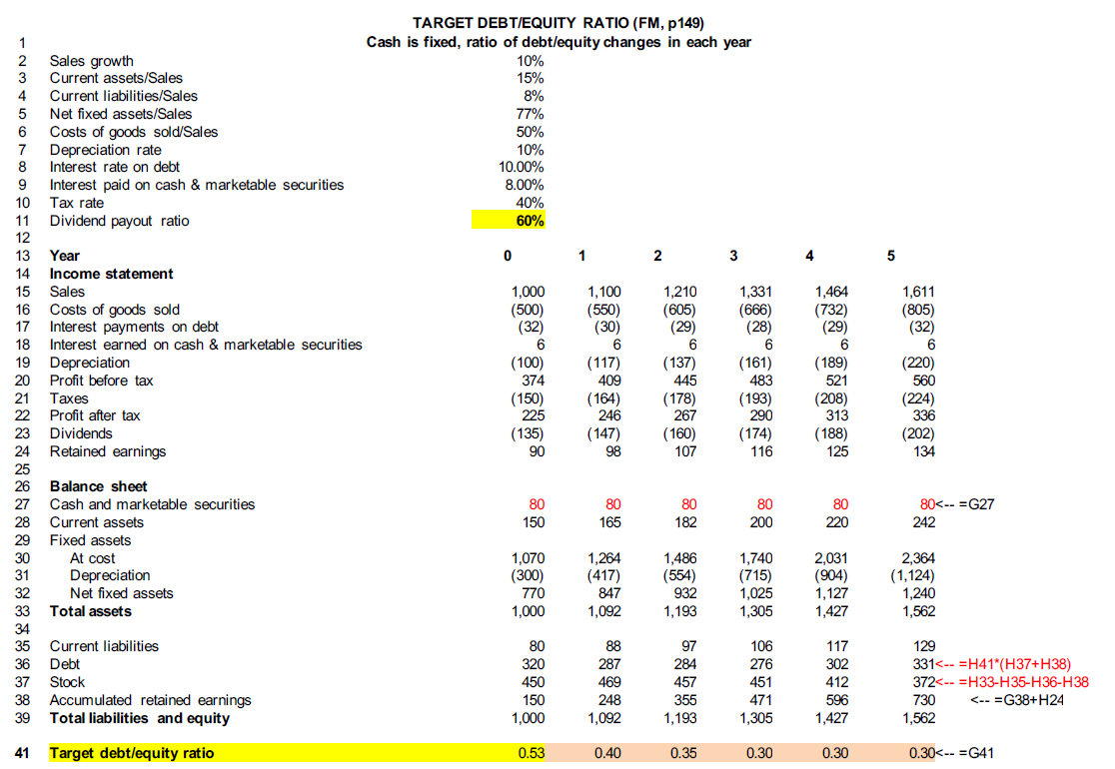
1 | SETTING UP THE FINANCIAL STATEMENT MODEL
2 | Sales growth | 10% |  | 20% | 10% |  | Please perform the following exercises:
3 | Current assets/Sales | 15% |  | 20% | 15% |  | 1. Extend forecast to 5 years using assumptions shown in model 1
4 | Current liabilities/Sales | 8% |  | 8% | 8% |  | 2a. Redo forecast using assumptions shown in model 2
5 | Net Fixed assets/Sales | 77% | *No asset disposal | 80% | 107% |  | 2b. Redo forecast 2a using Debt (instead of cash) as the plug.
6 | Costs of goods sold/Sales | 50% |  | 50% | 50% |  | 3. Redo forecast assuming FA at cost/sales = 107% using assumptions as in model 1.
7 | Depreciation rate | 10% | *Avg value of GFA over the yr | 10% | 10% |  | 4. Redo forecast assuming NFA = constant; other assumptions as in model 1
8 | Interest rate on debt | 10.00% | *Avg debt over the year | 10.00% | 10.00%
9 | Interest paid on cash and marketable securities | 8.00% | *Avg cash+MS balance over the yr | 8.00% | 8.00%
10 | Tax rate | 40% |  | 40% | 40%
11 | Dividend payout ratio | 60% |  | 50% | 40%
12 |  | MODEL 1 |  | MODEL 2 | MODEL 3
13 | Year | 0 | 1 | 2 | 3 | 4 | 5
14 | Income statement
15 | Sales | 1,000 | 1,100 | 1,210 | 1,331 | 1,464 | 1,611
16 | Costs of goods sold | -500 | -550 | -605 | -666 | -732 | -805
17 | Interest payments on debt | -32 | -30 | -29 | -28 | -29 | -32
18 | Interest earned on cash & marketable securities | 6 | 6 | 6 | 6 | 6 | 6
19 | Depreciation | -100 | -117 | -137 | -161 | -189 | -220
20 | Profit before tax | 374 | 409 | 445 | 483 | 521 | 560
21 | Taxes | -150 | -164 | -178 | -193 | -208 | -224
22 | Profit after tax | 225 | 246 | 267 | 290 | 313 | 336
23 | Dividends | -135 | -147 | -160 | -174 | -188 | -202
24 | Retained earnings | 90 | 98 | 107 | 116 | 125 | 134
25
26 | Balance sheet |  | 1 | 2 | 3 | 4 | 5
27 | Cash and marketable securities | 80 | 80 | 80 | 80 | 80 | 80
28 | Current assets | 150 | 165 | 182 | 200 | 220 | 242
29 | Fixed assets
30 | Fixed assets at cost | 1,070 | 1,264 | 1,486 | 1,740 | 2,031 | 2,364
31 | Accumulated depreciation | -300 | -417 | -554 | -715 | -904 | -1,124
32 | Net fixed assets | 770 | 847 | 932 | 1,025 | 1,127 | 1,240
33 | Total assets | 1,000 | 1,092 | 1,193 | 1,305 | 1,427 | 1,562
34
35 | Current liabilities | 80 | 88 | 97 | 106 | 117 | 129
36 | Debt | 320 | 287 | 284 | 276 | 302 | 331
37 | Stock | 450 | 469 | 457 | 451 | 412 | 372
38 | Accumulated retained earnings | 150 | 248 | 355 | 471 | 596 | 730
39 | Total liabilities and equity | 1,000 | 1,092 | 1,193 | 1,305 | 1,427 | 1,562
40 |  | 0.53 | 0.4 | 0.35 | 0.3 | 0.3 | 0.3
 |  |  | 0.4 | 0.35 | 0.3 | 0.3 | 0.3

